Sheet1
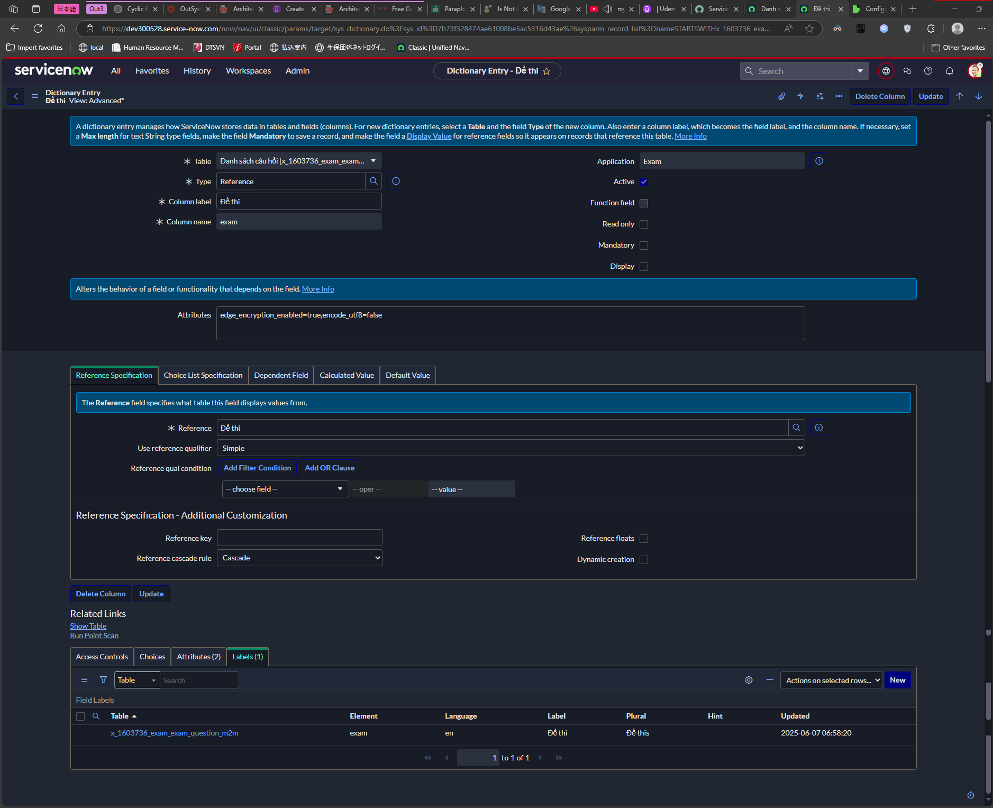
Configure cascade delete rules

